Assignment
FileUpload | First create a JSP page having the file upload text field. Write a Servlet to upload a file to a folder on the server. The file can be of any type Text, Word, Excel, Image, PDF, etc

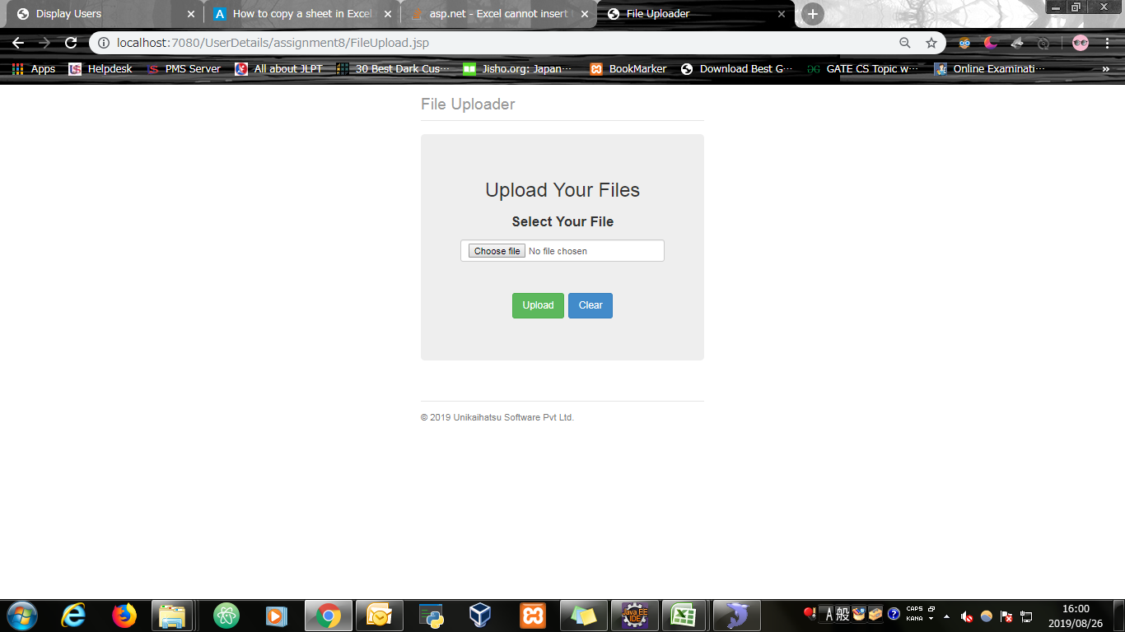
Input Screen

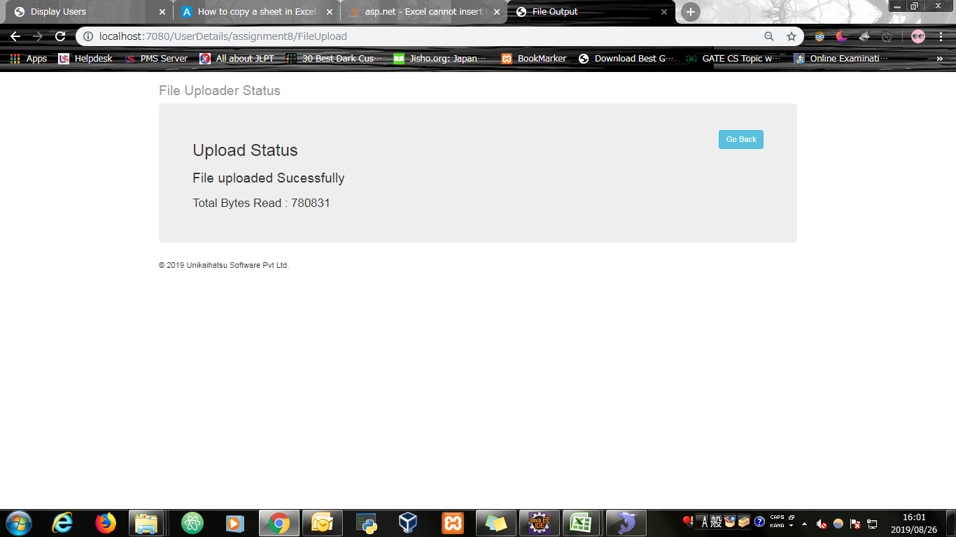
Output Screen

Evidence
Screen shoot 1: | Page Load

Screen shoot 2: | Error Message

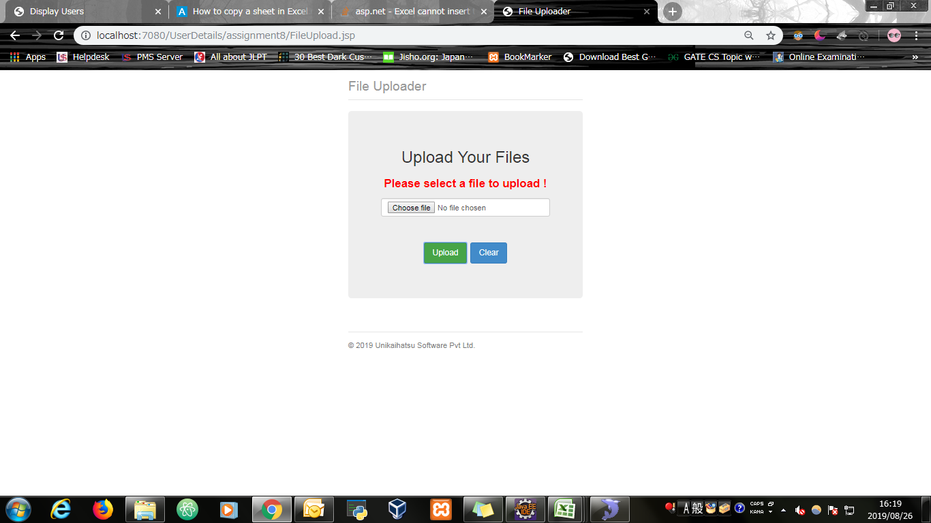

Screen shoot 3: | Successfully Uploaded file onto server

